Stress Visualization
Stress Visualization in Loading Co-ordinates
 | Ply no | z (in mm) | σx (in MPa) | σy (in MPa) | τxy (in MPa)
 | 1 | -3.5 | 0.32 | -0.0014873998727 | 9.7048707131E-17

 | 2 | -2.5 | 0.08 | 0.045416747833 | 0.051521799008

 | 3 | -1.5 | 0.08 | 0.045416747833 | -0.051521799008

 | 4 | -0.5 | 0.02 | -0.089346095793 | 9.3373953122E-18

 | 5 | 0.5 | 0.02 | -0.089346095793 | -1.829428648E-17

 | 6 | 1.5 | 0.08 | 0.045416747833 | -0.051521799008

 | 7 | 2.5 | 0.08 | 0.045416747833 | 0.051521799008

 | 8 | 3.5 | 0.32 | -0.0014873998727 | -9.6373065415E-17

 | 9 | 0 | 0.00 | 0 | 0

 | 10 | 0 | 0.00 | 0 | 0

 | 11 | 0 | 0.00 | 0 | 0

 | 12 | 0 | 0.00 | 0 | 0

 | 13 | 0 | 0.00 | 0 | 0

 | 14 | 0 | 0.00 | 0 | 0

 | 15 | 0 | 0.00 | 0 | 0

 | 16 | 0 | 0.00 | 0 | 0

 | 17 | 0 | 0.00 | 0 | 0

 | 18 | 0 | 0.00 | 0 | 0

 | 19 | 0 | 0.00 | 0 | 0

 | 20 | 0 | 0.00 | 0 | 0

 | 21 | 0 | 0.00 | 0 | 0

 | 22 | 0 | 0.00 | 0 | 0

 | 23 | 0 | 0.00 | 0 | 0

 | 24 | 0 | 0.00 | 0 | 0

 | 25 | 0 | 0.00 | 0 | 0

Validation_Elastic Constants
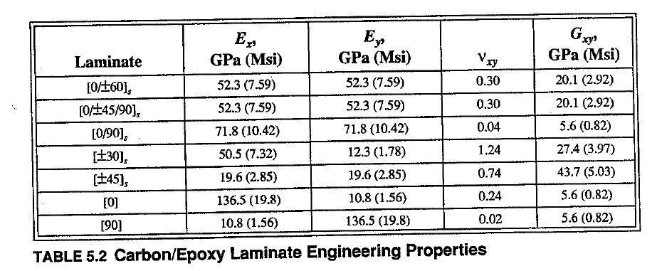
 |  | From Excel Sheet
 |  | Effective Laminate Elastic Constants |  |  |  |  | Effective Flexural Elastic Constants
Sl no | Stacking Sequence | (in GPa) |  |  |  |  | (in GPa)
 |  | Ex | Ey | Gxy | vxy | vyx | Exf | Eyf | Gxyf | vfxy | vyxf
1 | [0/±60]s | 53.70 | 53.70 | 20.67 | 0.30 | 0.30 | 99.68 | 25.24 | 9.83 | 0.07 | 0.27
2 | [0/±45/90]s | 53.70 | 53.70 | 20.67 | 0.30 | 0.30 | 88.55 | 22.57 | 16.45 | 0.13 | 0.53
3 | [0/90]s | 73.90 | 73.90 | 5.65 | 0.04 | 0.04 | 121.09 | 26.58 | 5.65 | 0.02 | 0.10
4 | [±30]s | 51.26 | 12.28 | 28.18 | 1.26 | 0.30 | 38.83 | 12.13 | 16.95 | 0.27 | 0.86
5 | [±45]s | 19.69 | 19.69 | 35.69 | 0.74 | 0.74 | 18.08 | 18.08 | 21.05 | 0.60 | 0.60
6 | [0] | 136.50 | 10.80 | 5.65 | 0.24 | 0.02 | 136.50 | 10.80 | 5.65 | 0.24 | 0.02
7 | [90] | 10.80 | 136.50 | 5.65 | 0.02 | 0.24 | 10.80 | 136.50 | 5.65 | 0.24 | 0.02

Validation_Stress Visualization
N_{x} Loading
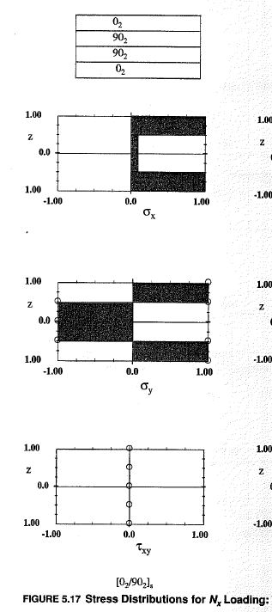 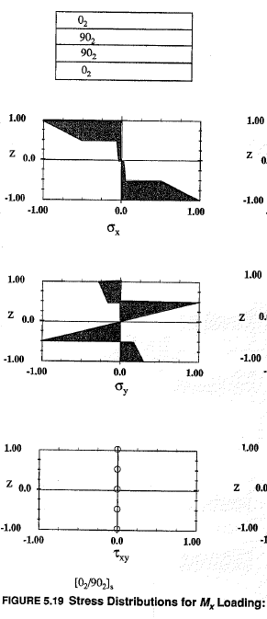

M_{x} Loading

N_{x} Loading
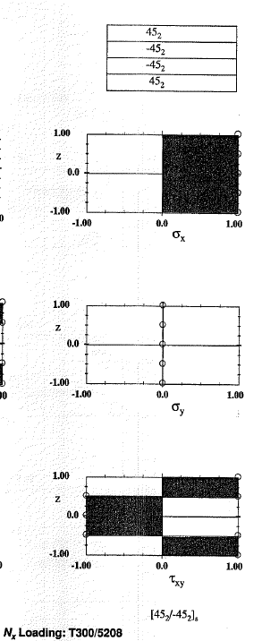 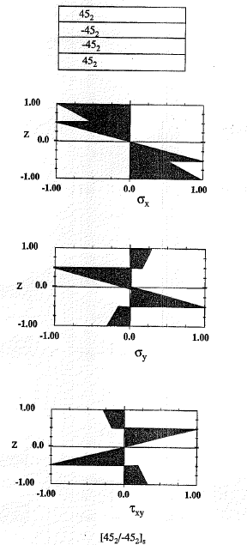

M_{x} Loading

N_{x} Loading
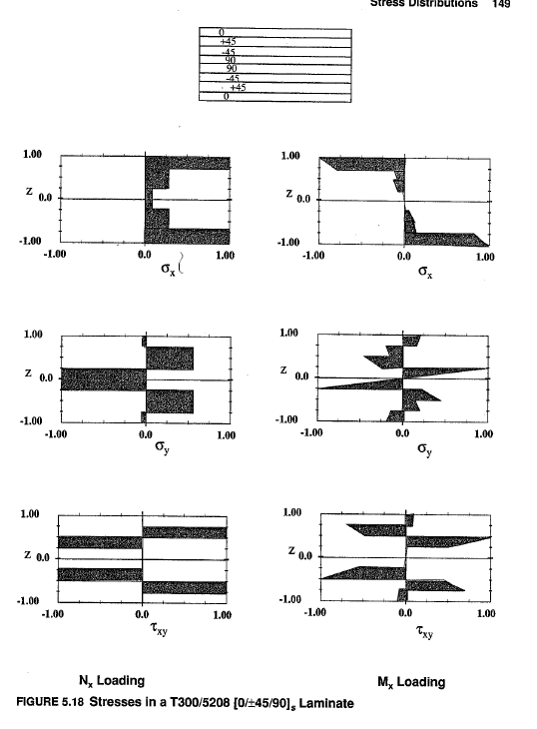

M_{x} Loading

